ART
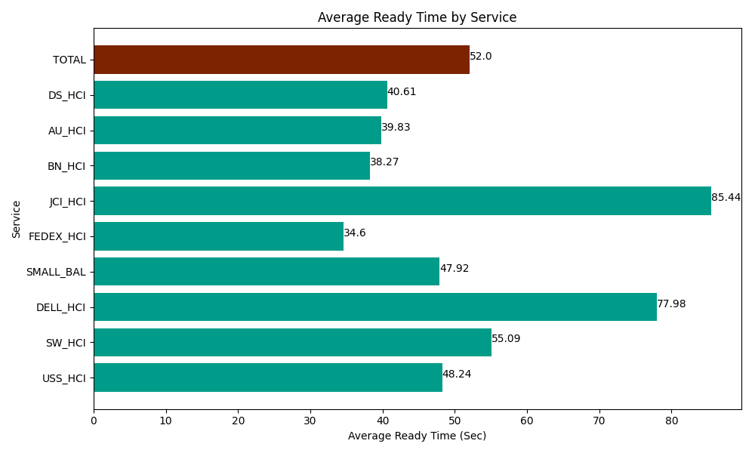
Date | Service | Successful Op Transfer | In Call (Sec) | Ready (Sec) | Wrapup (Sec) | Not Ready (Sec) | Average Ready Time (Sec)
03-18-2024 | USS_HCI | 284 | 37342.199707 | 13701.000366 | 37819.801025 | 13281.000366 | 48.24
03-18-2024 | SW_HCI | 167 | 6409.1999817 | 9199.8001099 | 14746.799927 | 22150.200806 | 55.09
03-18-2024 | DELL_HCI | 88 | 6055.8000183 | 6862.2001648 | 14509.200439 | 4135.1998901 | 77.98
03-18-2024 | SMALL_BAL | 93 | 4501.7999268 | 4456.7999268 | 12416.999817 | 3697.8000641 | 47.92
03-18-2024 | FEDEX_HCI | 148 | 13673.999634 | 5120.9999084 | 8693.9996338 | 12325.799561 | 34.6
03-18-2024 | JCI_HCI | 296 | 32179.200439 | 25291.199341 | 40335 | 8478.0001831 | 85.44
03-18-2024 | BN_HCI | 410 | 30667.199707 | 15688.800659 | 54601.801758 | 38611.801758 | 38.27
03-18-2024 | AU_HCI | 191 | 8298.0001831 | 7606.7999268 | 15061.799927 | 9555 | 39.83
03-18-2024 | DS_HCI | 859 | 51620.998535 | 34882.800293 | 80530.202637 | 77497.199707 | 40.61
 | TOTAL | 2536 | 190748.39813 | 122810.4007 | 278715.60516 | 189732.00233 | 52

